2023 SE Tax Ded Wk Lines 1&9
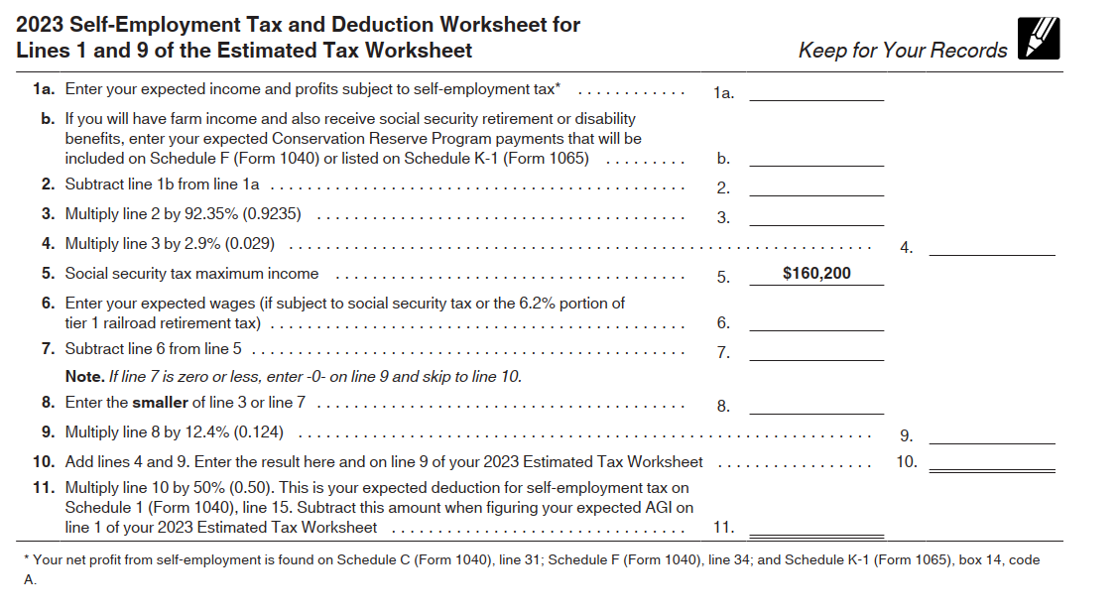
1040-ES Self-Employment Tax and Deduction Worksheet
For Lines 1 and 9 of the Estimated Tax Worksheet

 | 1a | $2,000.00
 | 1b | $0.00
 | 2 | $2,000.00
 | 3 | $1,847.00
 | 4 | $53.56
 | 5 | $160,200.00
 | 6 | $132,000.00
 | 7 | $28,200.00
 | 8 | $1,847.00
 | 9 | $229.03
 | 10 | $282.59 | This result is added on line 9 of your 2023 estimated tax worksheet
 | 11 | $141.30 | This is your expected deduction for self-employment tax on From 1040, line 15. Subtract this amount when figuring your expected AGI on line 1 of your 2023 estimated tax worksheet

Estimated Taxes
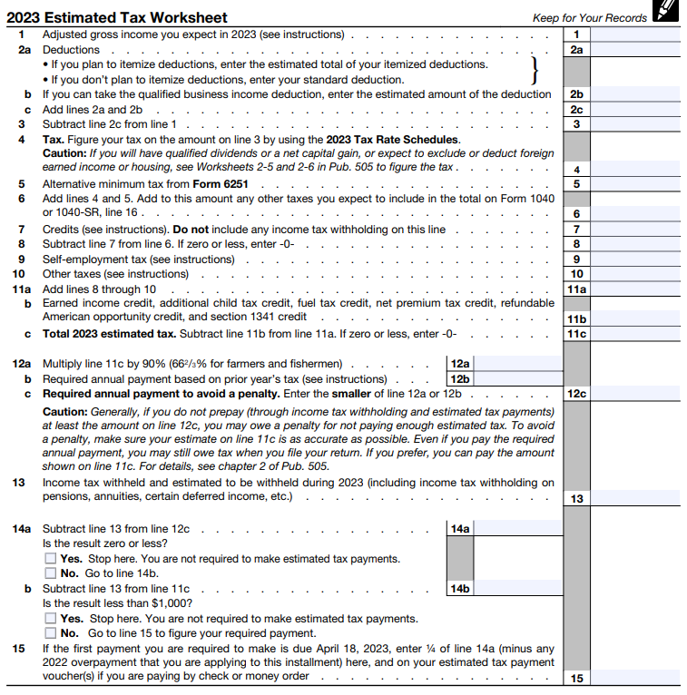
1040-ES Form 2023 Estimated Tax Worksheet
Married Filing Jointly - SMLLC with Passthrough Taxation

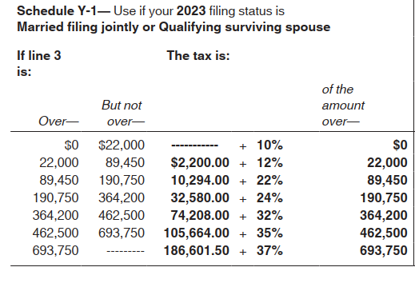
 |  | $132,000.00 | Your W2
 |  | $55,000.00 | Spouse W2
 |  | $2,000.00 | LLC Earnings
 | 1 | $189,000.00 | Total
 | 2a | $27,700.00
 | 2b | $0.00
 | 2c | $27,700.00
 | 3 | $161,300.00
 | 4 | $10,294.00
 | 5 | $0.00
 | 6 | $10,294.00
 | 7 | $0.00
 | 8 | $10,294.00
 | 9 | $282.59
 | 10 | $0.00
 | 11a | $10,576.59
 | 11b | $0.00
 | 11c | $10,576.59
 | 12a | $9,518.93
 | 12b | $9,518.93
 | 12c | $9,518.93
 | 13
 | 14a
 | 14b
 | 15

